Business Reference Model
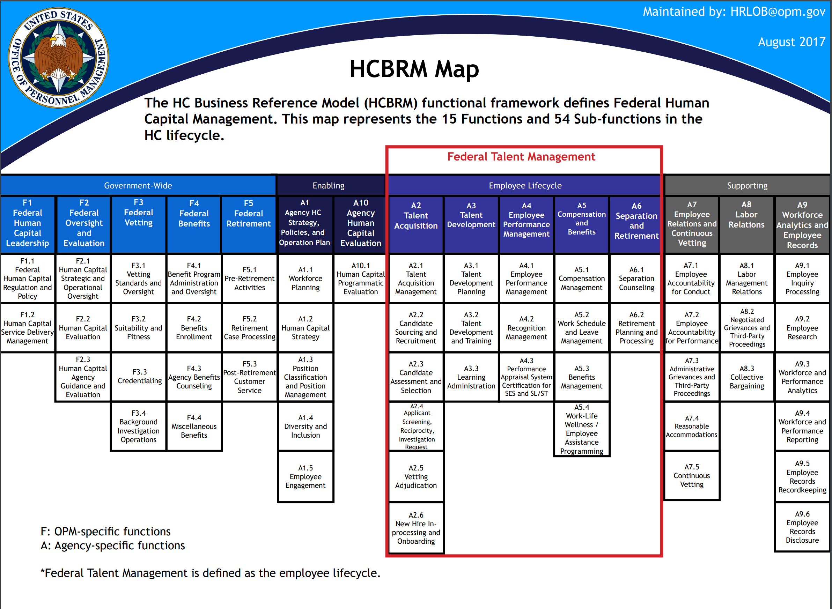
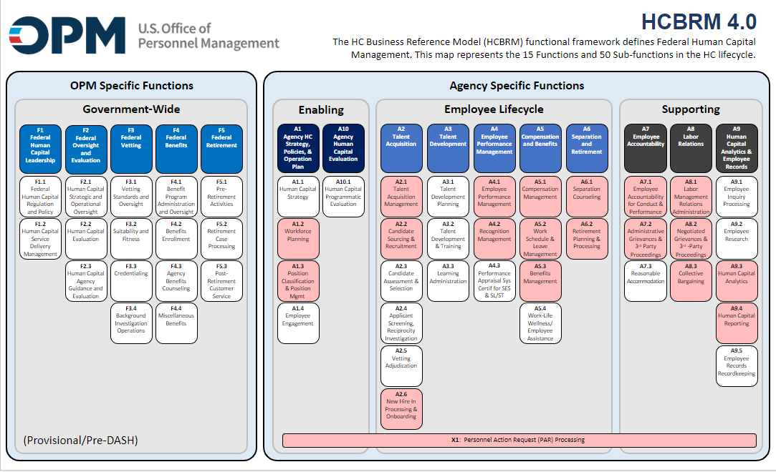
Human Capital Business Reference Model
 | The Human Capital Federal Integrated Business Framework (HC-FIBF) is built on and further expands the Human Capital Business Reference Model (HCBRM). The BRM functional framework defines Federal Human Capital Management and is divided into the functions and subfunctions shown below. You can find more information about the HCBRM at the following URL: https://www.opm.gov/services-for-agencies/hr-line-of-business/hc-business-reference-model/. Please note that Service Function mappings are made in reference to version HCBRM 4.0.

